Number of members
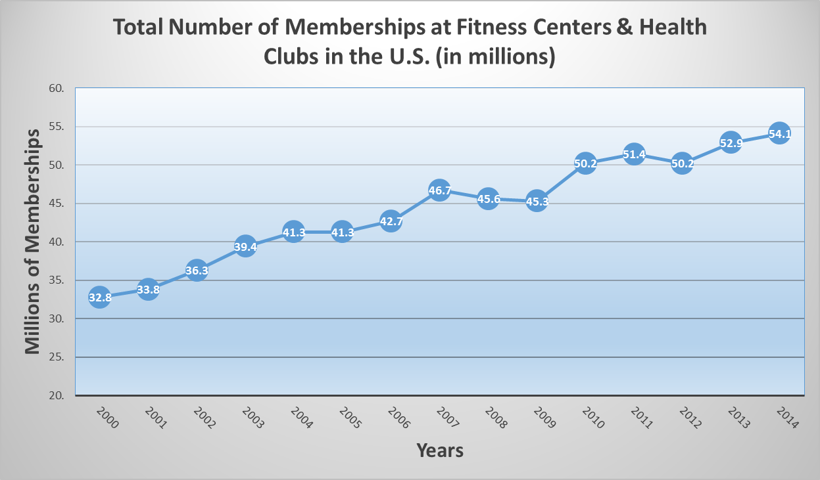
Total number of memberships at fitness centers / health clubs in the U.S. from 2000 to 2014 (in millions)
Year | Millions of Memberships
2000 | 32.8
2001 | 33.8
2002 | 36.3
2003 | 39.4
2004 | 41.3
2005 | 41.3
2006 | 42.7
2007 | 46.7
2008 | 45.6
2009 | 45.3
2010 | 50.2
2011 | 51.4
2012 | 50.2
2013 | 52.9
2014 | 54.1

Revenue
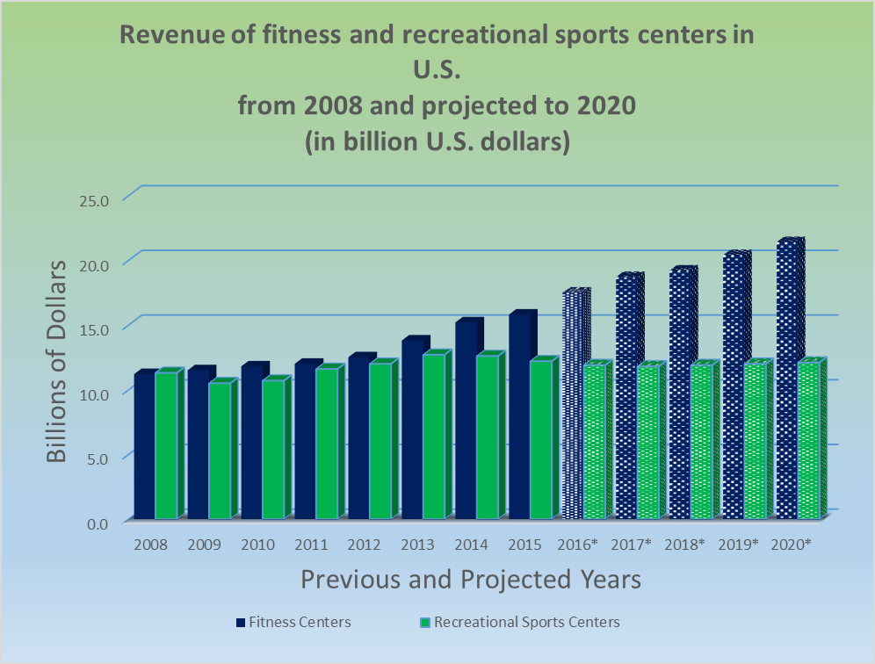
Revenue of fitness and recreational sports centers in U.S. from 2008 and projected to 2020 (in billions of dollars)
 | Billions of Dollars
Year | Fitness Centers | Recreational Sports Centers | Total
2008 | $11.2 | $11.3 | $22.5
2009 | $11.5 | $10.5 | $22.0
2010 | $11.8 | $10.7 | $22.5
2011 | $12.0 | $11.6 | $23.6
2012 | $12.5 | $12.0 | $24.5
2013 | $13.8 | $12.7 | $26.5
2014 | $15.2 | $12.6 | $27.8
2015 | $15.8 | $12.2 | $28.0
2016* | $17.5 | $11.9 | $29.4
2017* | $18.7 | $11.8 | $30.5
2018* | $19.2 | $11.9 | $31.1
2019* | $20.4 | $12.0 | $32.4
2020* | $21.4 | $12.1 | $33.5
* Projected

Market Share
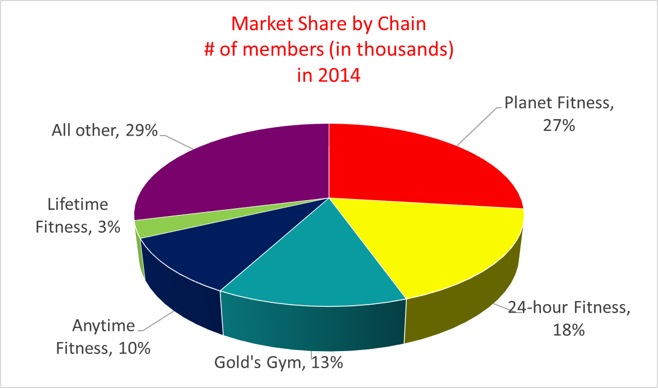
Market Share of Major Fitness Center Chains # of members (in thousands) in 2014
Major Chain | Number of Members
Planet Fitness | 6,085
24-hour Fitness | 4,000
Gold's Gym | 3,000
Anytime Fitness | 2,300
Lifetime Fitness | 684
All other | 6,542
TOTAL | 22,611

Revenue 2
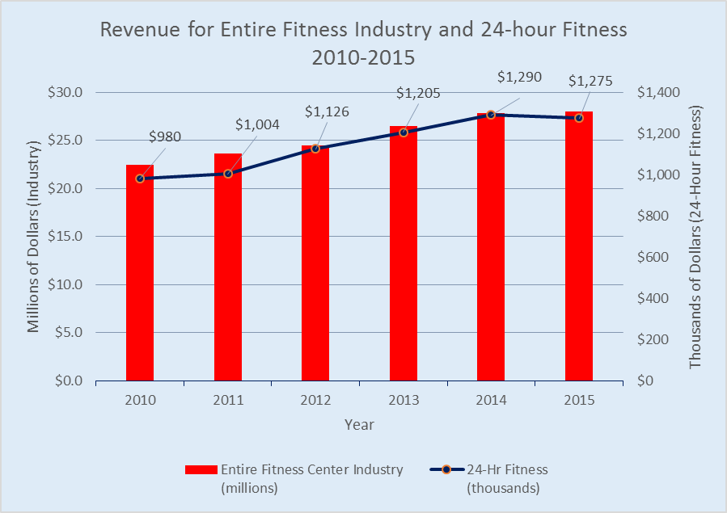
 | Annual Revenues 2010-2015
Year | 24-Hr Fitness (thousands) | Entire Fitness Center Industry (millions)
2010 | $980 | $22.5
2011 | $1,004 | $23.6
2012 | $1,126 | $24.5
2013 | $1,205 | $26.5
2014 | $1,290 | $27.8
2015 | $1,275 | $28.0

